Table 1
AGENCIES ADMINISTERING ALABAMA'S LOW-INCOME HOME ENERGY ASSISTANCE PROGRAM (LIHEAP)
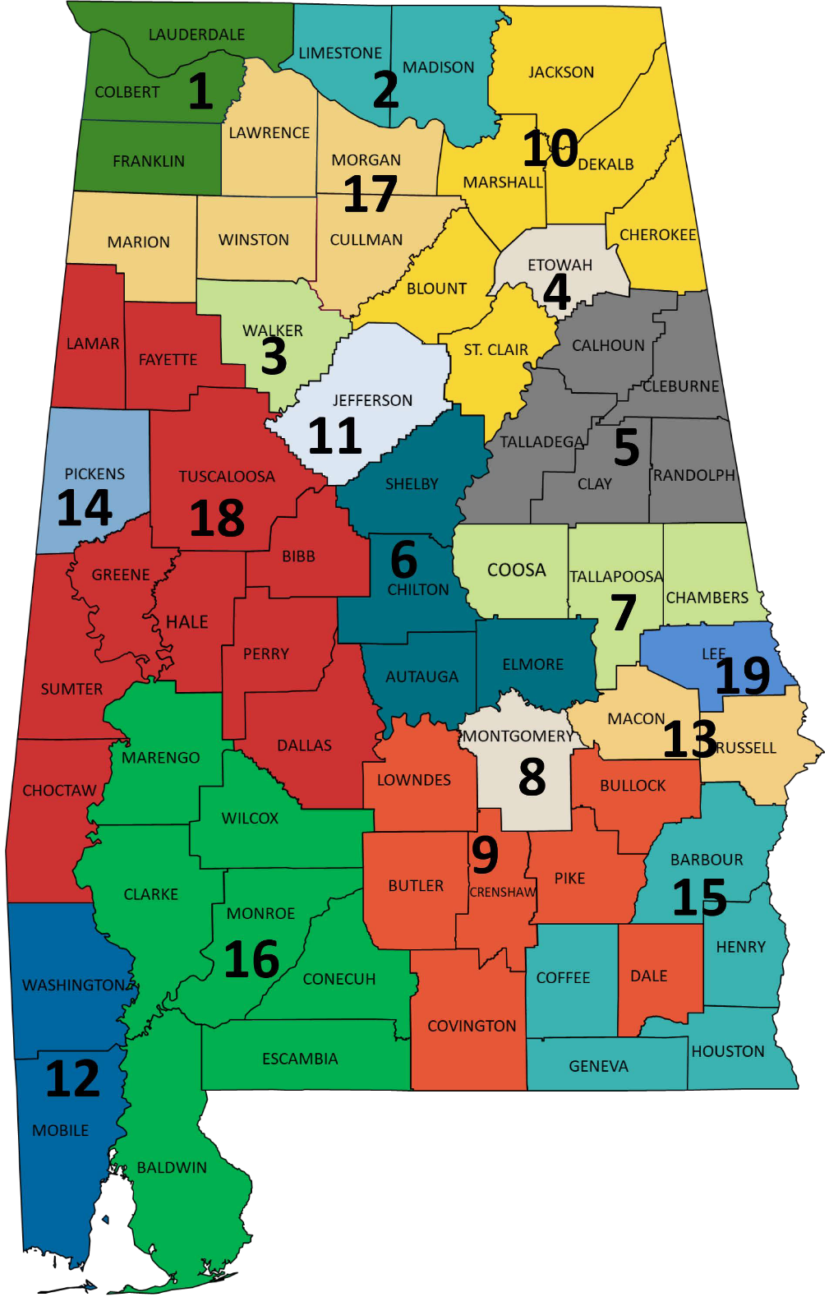

Community Action Agency of Northwest Alabama, Inc. (REGION 1)
745 Thompson Street
Florence, AL 35630
Call center:256-764-5142 Main office: 256-766-4330
Website and online appointment scheduler: https://www.caanw.org/ Lauderdale, Colbert, and Franklin Counties

Community Partnership Huntsville/Madison and Limestone Counties, Inc. (REGION 2)
3516 Stringfield Road NW Huntsville, AL 35810-0975
Call center: 256-907-1550
Main office: 256-851-9800
Website and online appointment scheduler: https://caa-htsval.org/ Madison and Limestone Counties

Walker County Community Action Agency, Inc. (REGION 3)
644 19th Street W Jasper, AL 35501-5353
Main office: 205-221-4010
Website: http://www.caawalker.org/ Walker County

Community Action of Etowah County, Inc. (REGION 4)
624 Broad Street
Gadsden, AL 35901-3722
Main office: 256-546-9271 Etowah County

Community Action Agency of Talladega, Clay, Randolph, Calhoun, and Cleburne Counties, Inc. (REGION 5)
136 North Court Street Talladega, AL 35160-2014
Main office: 256-362-6611
Calhoun, Clay, Cleburne, Randolph, and Talladega Counties

Community Action Partnership of Middle Alabama, Inc. (REGION 6)
116 Chilton Place
Clanton, AL 35046-8706
Call center: 205-287-0139
Website and online appointment scheduler: http://www.capmal.org/ Main office: 205-755-1204
Autauga, Chilton, Elmore, and Shelby Counties

Community Action Committee, Inc. of Chambers-Tallapoosa-Coosa (REGION 7)
170 South Broadnax Street Dadeville, AL 36853-1704
Main office: 256-825-4287
Website: http://www.cacctc.com/ Chambers, Coosa, and Tallapoosa Counties

Montgomery Community Action Committee & CDC, Inc. (REGION 8)
1066 Adams Avenue
Montgomery, AL 36104-4424
Call center: 334-230-5259
Main office: 334-263-3474
Website and Online Scheduler: http://mcaccdcinc.org/ Montgomery County

Organized Community Action Program, Inc. (REGION 9)
507 North Three Notch Street Troy, AL 36081-2120
Main office: 334-566-1712
Website: http://www.ocaptroy.com/index.html Bullock, Butler, Covington, Crenshaw,
Dale, Lowndes, and Pike Counties

Community Action Agency of Northeast Alabama, Inc. (REGION 10)
1481 McCurdy Avenue South Rainsville, AL 35986-5221
Call center: 855-287-1730
Main office: 256-638-4430
Website and online appointment scheduler: http://www.caaneal.org/ Blount, Cherokee, Dekalb, Jackson, Marshall, and St. Clair Counties

Jefferson County Committee for Economic Opportunity (REGION 11)
300 Eighth Avenue West
Birmingham, AL 35204-3039
Main office: 205-327-7500
Website: http://www.jcceo.org/ Jefferson County

Mobile Community Action, Inc. (REGION 12)
461 Donald Street
Mobile, AL 36617-3327
Call center: 251-206-6117
Main office: 251-457-5700
Website and online appointment scheduler: http://www.mcamobile.org/ Mobile and Washington Counties

Macon - Russell Community Action Agency, Inc. (REGION 13)
501 South School Street Tuskegee, AL 36083-2226
Macon County call center: 334-439-4009 Russell County call center: 334-408-4066 Main office: 334-727-6100
Macon and Russell Counties

Pickens County Community Action Committee and CDC, Inc. (REGION 14)
71 Lakeside Street
Carrollton, AL 35447-2232
Main office: 205-367-8166
Website: http://www.caapickens.org/ Pickens County

Southeast Alabama Community Action Partnership, Inc. (REGION 15)
100 George Wallace Drive Enterprise, AL 36331-3216
Call center: 844-680-2044
Main office: 334-347-0881
Website and online scheduler: http://www.southeastalabamacap.org/
Barbour, Coffee, Geneva, Henry, and Houston Counties

Community Action Agency of South Alabama (REGION 16)
26640 North Pollard Road
Daphne, AL 36526-4273
Call center: 877-246-7836
Main office: 251-626-2646
Website and online appointment scheduler: http://www.caaofsa.org/
Baldwin, Clarke, Conecuh, Escambia, Marengo, Monroe, and Wilcox Counties

Community Action Partnership of North Alabama, Inc. (REGION 17)
1909 Central Parkway, SW Decatur, AL 35601-6822
Morgan County call center: 256-260-4050 Cullman County call center: 256-255-0454 Lawrence County call center: 256-522-0019 Main office: 256-355-7843 and dial 100
Website and online appointment scheduler: https://capna.org/ Cullman, Lawrence, Marion, Morgan, and Winston Counties

Community Service Programs of West Alabama, Inc. (REGION 18)
601 Black Bears Way Tuscaloosa, AL 35401-4807
Call center: 833-836-7817
Clients 60 and older: 205-469-0386
Main office: 205-752-5429
Website and online scheduler: https://cspwal.com/
Bibb, Choctaw, Dallas, Fayette, Greene, Hale, Lamar, Perry, Sumter, and Tuscaloosa Counties

Alabama Council on Human Relations, Inc. (REGION 19)
950 Shelton Mill Road
Auburn, AL 36831-3770
Main office: 334-821-8336
Call center: 334-246-5266
Website: https://www.achr.com/
Online scheduler: http://achr.cascheduler.com/
Lee County

